Introducing Rockbuster

ROCKBUSTER
Rockbuster Stealth LLC is a movie rental company that used to have stores around the world. Facing stiff competition from streaming services such as Netflix and Amazon Prime, the Rockbuster Stealth management team is planning to use its existing movie licenses to launch an online video rental service in order to stay competitive.

About me
Marie Jacobsson Training Data Analyst Exersice MultiOpps.com


In this task Rockbuster Stealth’s business intelligence (BI) department wants me to help with the launch strategy for the new online video service.

Rental_rate_Rental_duration
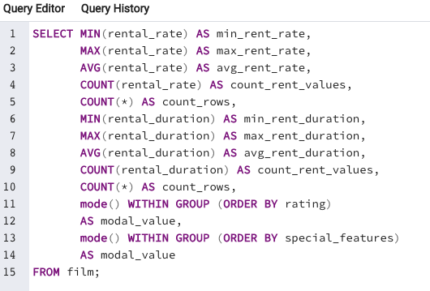
Rockbuster's management team asked me to clean and profile their data and search out the minimum, maximum and average of both rental rate and rental duration.
Here is my query for that search

Top_10_countries
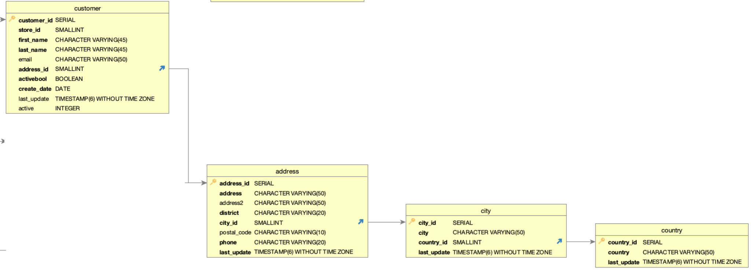
The next questions from the Management teams was about Rockbusters revenue.
“In wich 10 countries do we have the highest income?”

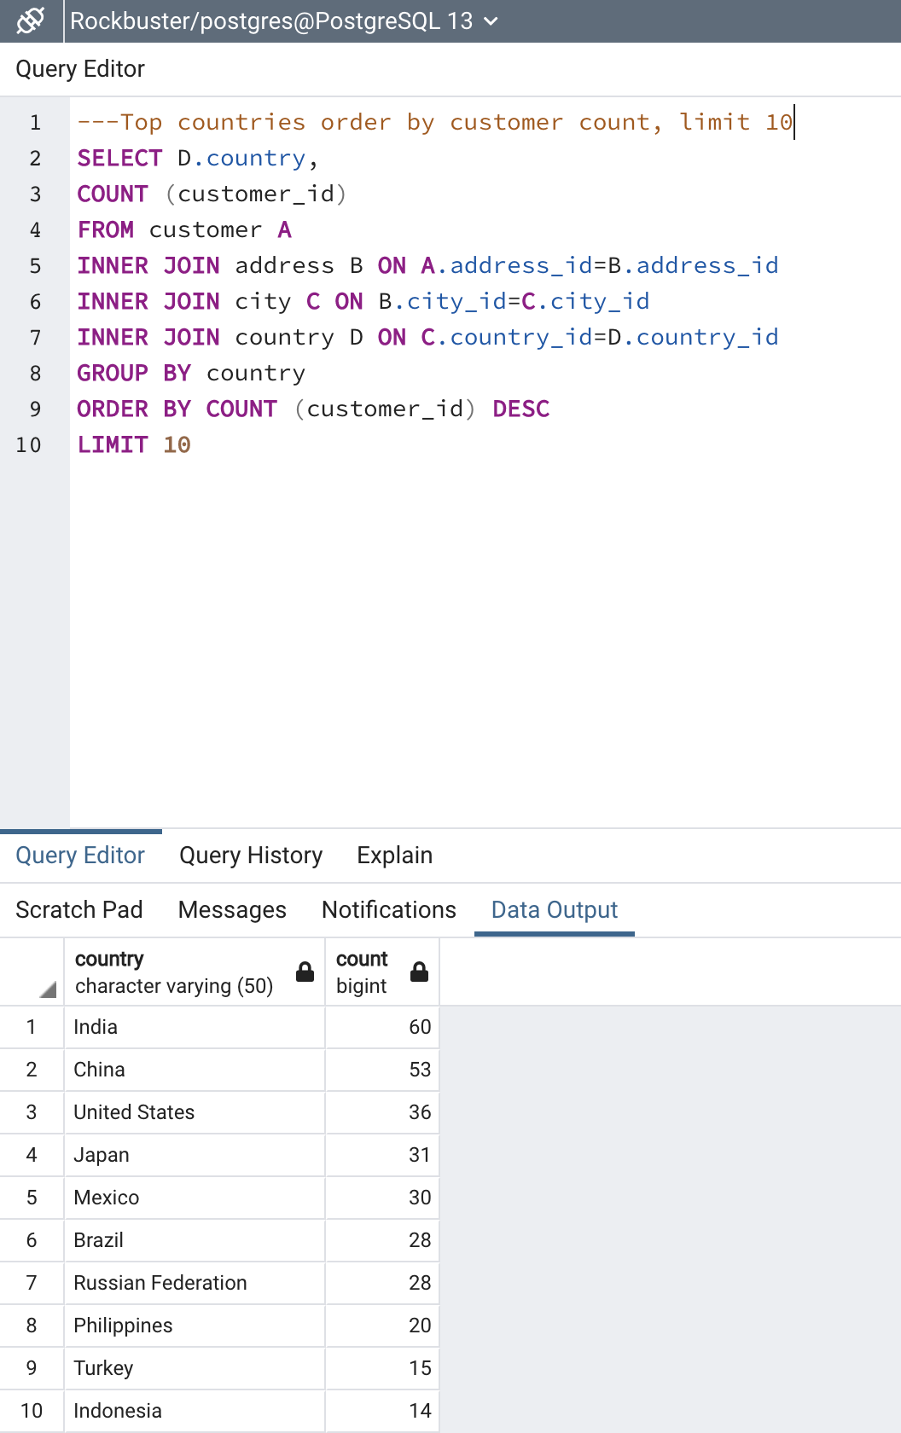
 | Country | Customer_count
 | India | 60
 | China | 53
 | United States | 36
 | Japan | 31
 | Mexico | 30
 | Brazil | 28
 | Russian Federation | 28
 | Philippines | 20
 | Turkey | 15
 | Indonesia | 14

Top_cities_in_Top_countries
Next question: in which cities in these 10 countries are the most valuable customers located?

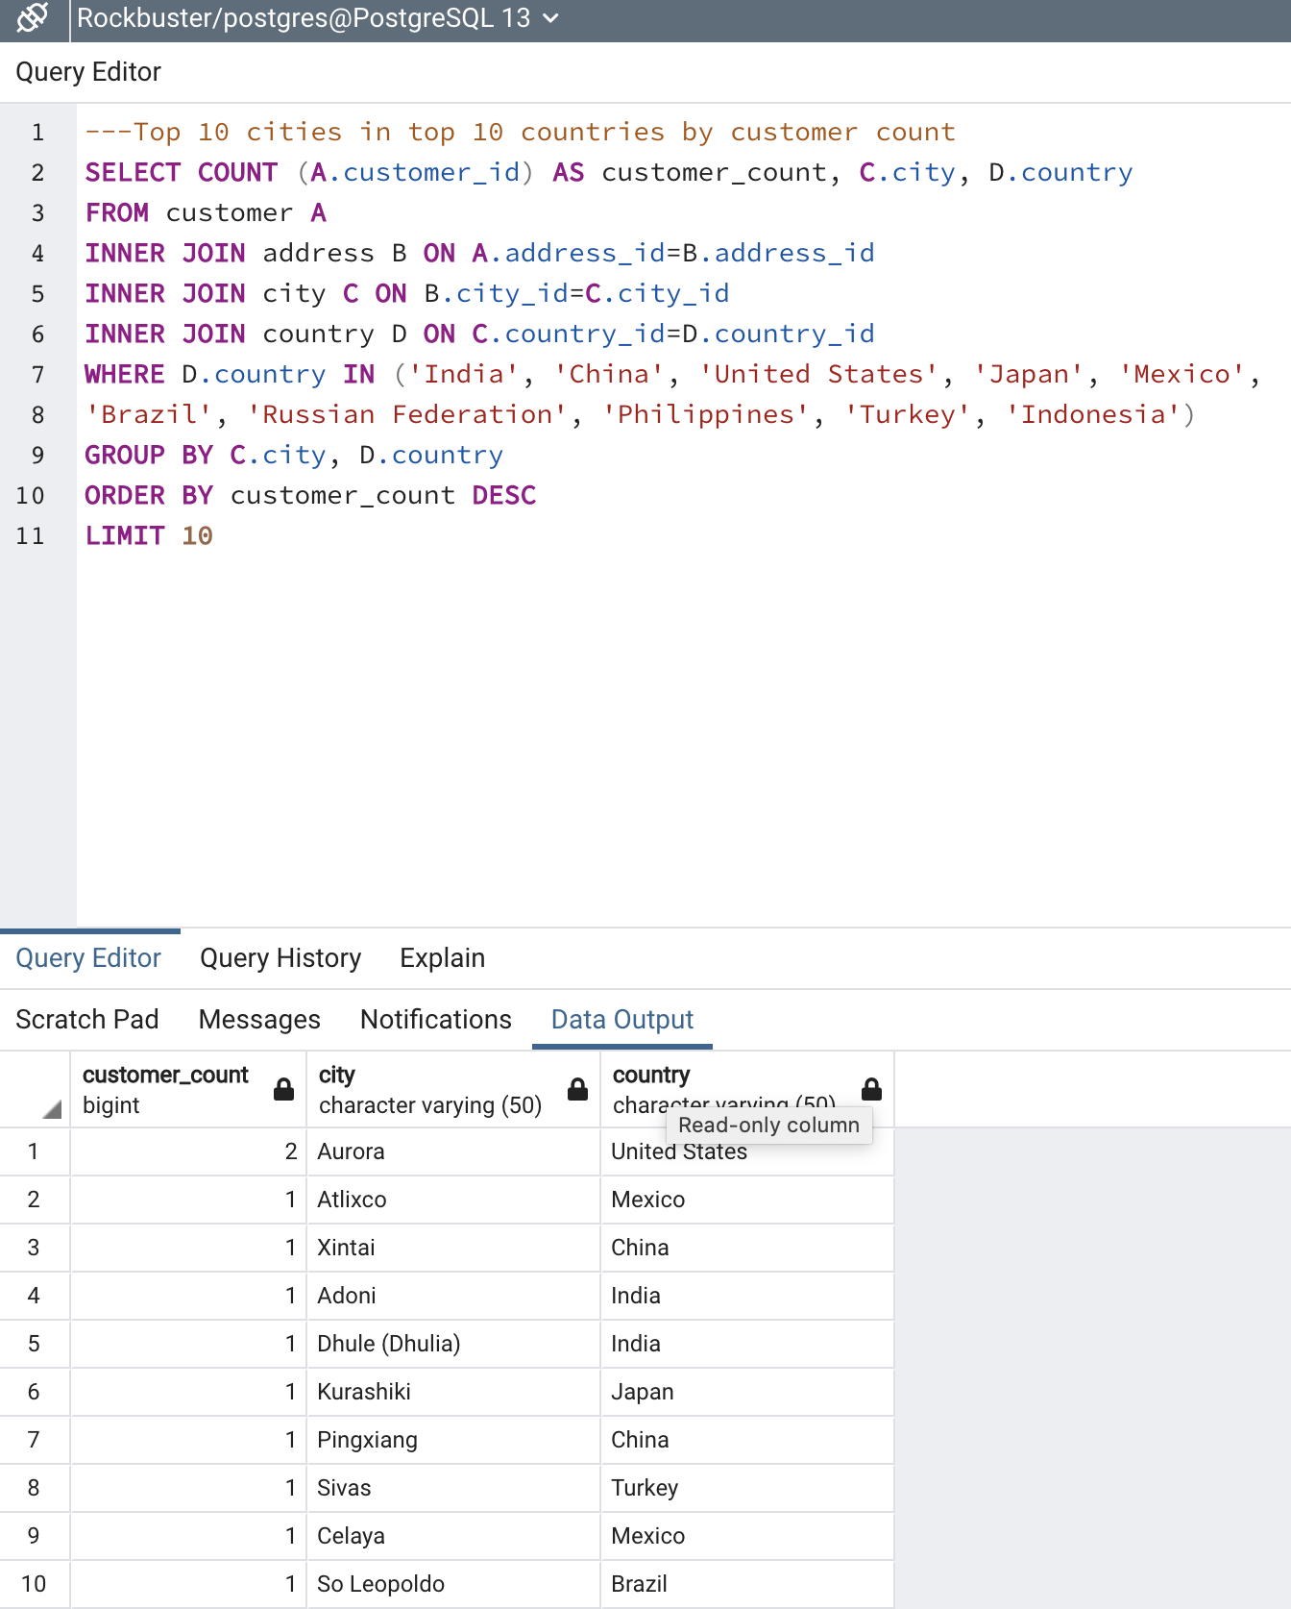
 | Customer_count | City | Country
 | 2 | Aurora | United States
 | 1 | Atlixco | Mexico
 | 1 | Xintai | China
 | 1 | Adoni | India
 | 1 | Dhule (Dhulia) | India
 | 1 | Kurashiki | Japan
 | 1 | Pingxiang | China
 | 1 | Sivas | Turkey
 | 1 | Celaya | Mexico
 | 1 | So Leopoldo | Brazil

Top_five_customers
Who are the top five customers in the top ten cities in the top ten countries?

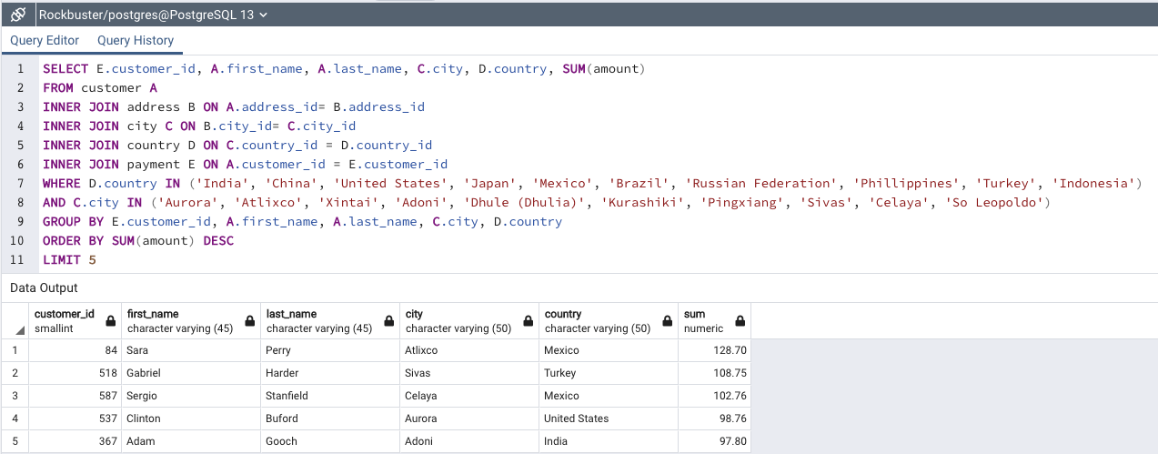
 | Customer_id | First_name | Last_name | City | Country | Sum amount
 | 84 | Sara | Perry | Atlixco | Mexico | 128.7
 | 518 | Gabriel | Harder | Sivas | Turkey | 108.75
 | 587 | Sergio | Stanfield | Celaya | Mexico | 102.76
 | 537 | Clinton | Buford | Aurora | United States | 98.76
 | 367 | Adam | Gooch | Adoni | India | 97.8

